Decision tree model
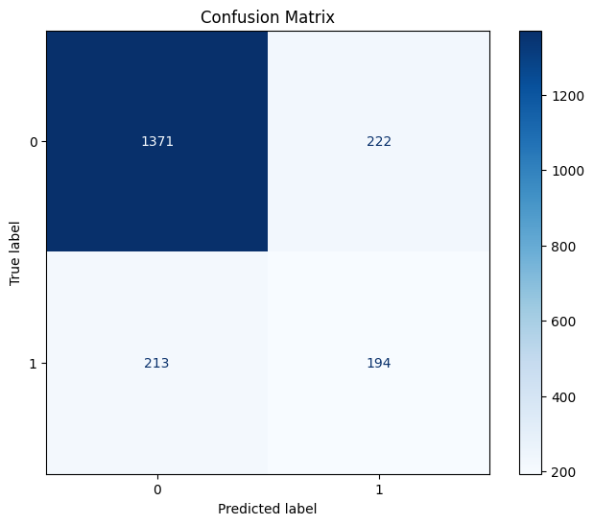

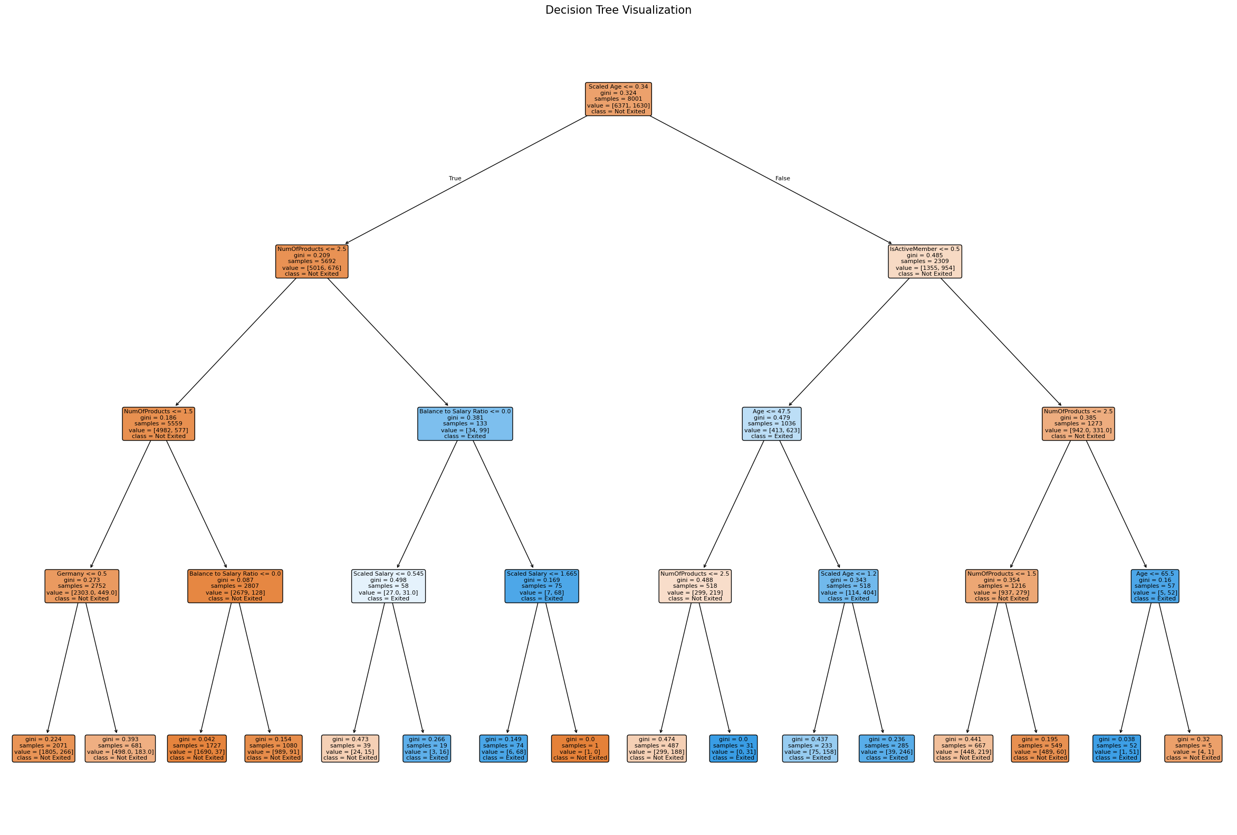
Classification Report:
precision recall f1-score support

0 0.87 0.86 0.86 1593
1 0.47 0.48 0.47 407

accuracy 0.78 2000
macro avg 0.67 0.67 0.67 2000
weighted avg 0.78 0.78 0.78 2000

Random forest model
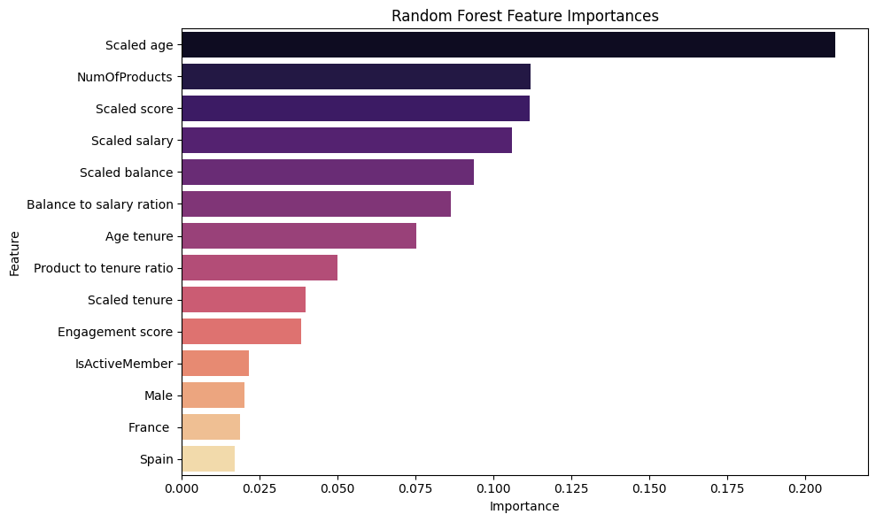
Classification Report for Random Forest Model:
precision recall f1-score support

0 0.87 0.96 0.91 1593
1 0.76 0.43 0.55 407

accuracy 0.86 2000
macro avg 0.81 0.70 0.73 2000
weighted avg 0.85 0.86 0.84 2000

Gradient boost model
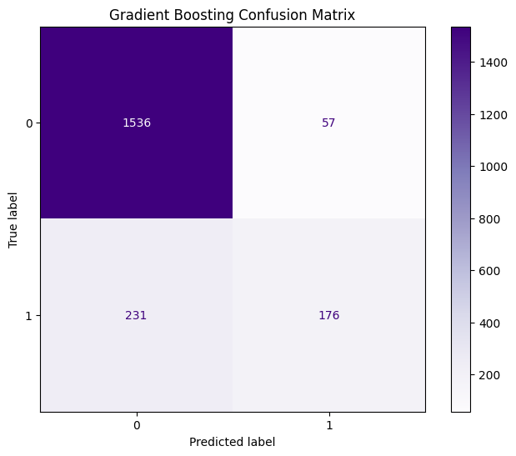
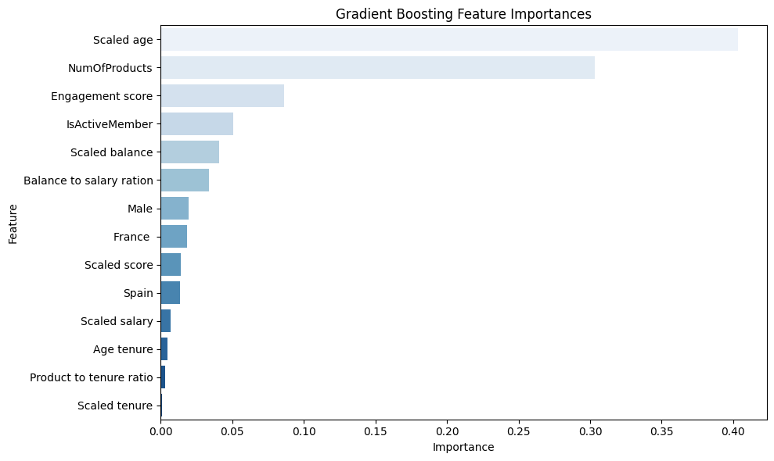
Accuracy of the Gradient Boosting Model: 0.8560

Gradient Boosting Classification Report:
precision recall f1-score support

0 0.87 0.96 0.91 1593
1 0.76 0.43 0.55 407

accuracy 0.86 2000
macro avg 0.81 0.70 0.73 2000
weighted avg 0.85 0.86 0.84 2000

Comparison table
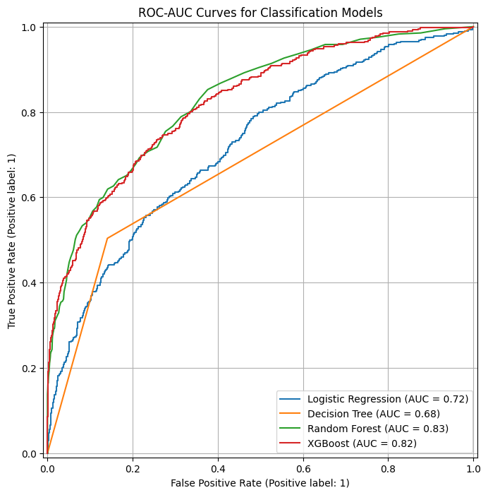
Model Comparison Chart

Model Type | Accuracy % | Precision | Recall (Exited) | F1 -Score | ROC-AUC Score | Most Influential Feature
Logistic Regression | 81.09% | 0.679 | 0.1351 | 0.2254 | ~0.72 | Scaled Age
Decision Tree | 84.39% | 0.7624 | 0.3391 | 0.4694 | ~0.68 | Scaled Age
Random Forest | 86.14% | 0.7708 | 0.4545 | 0.5719 | ~0.83 | NumOfProducts
Gradient Boosting | 84.14% | 0.6744 | 0.4275 | 0.5233 | ~0.82 | NumOfProducts
(XGBoost)

SHAP value analysis
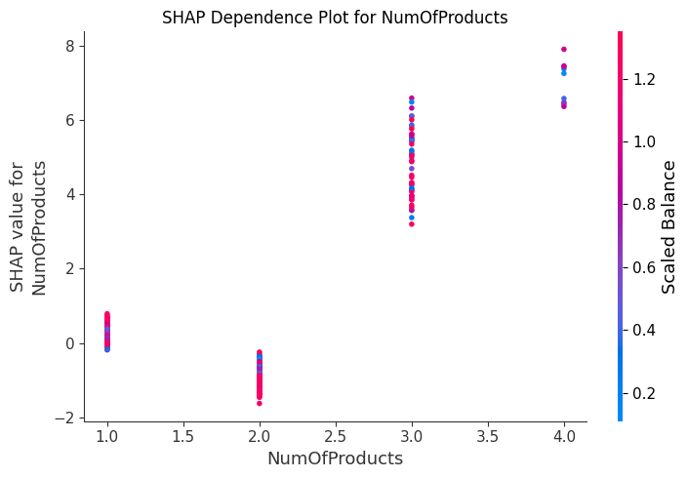
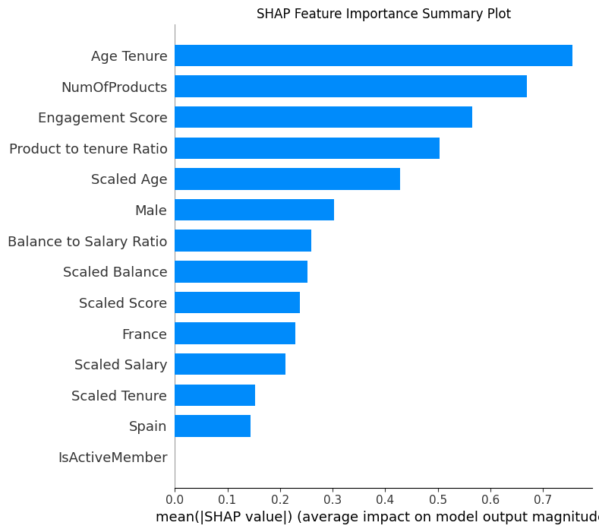
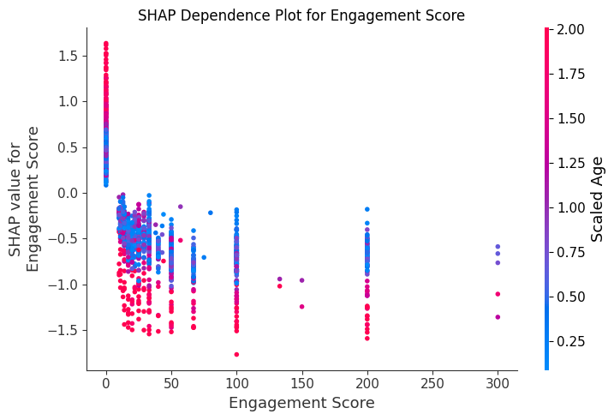
SHAP Value Analysis

